Screen Prints
Create Opportunity

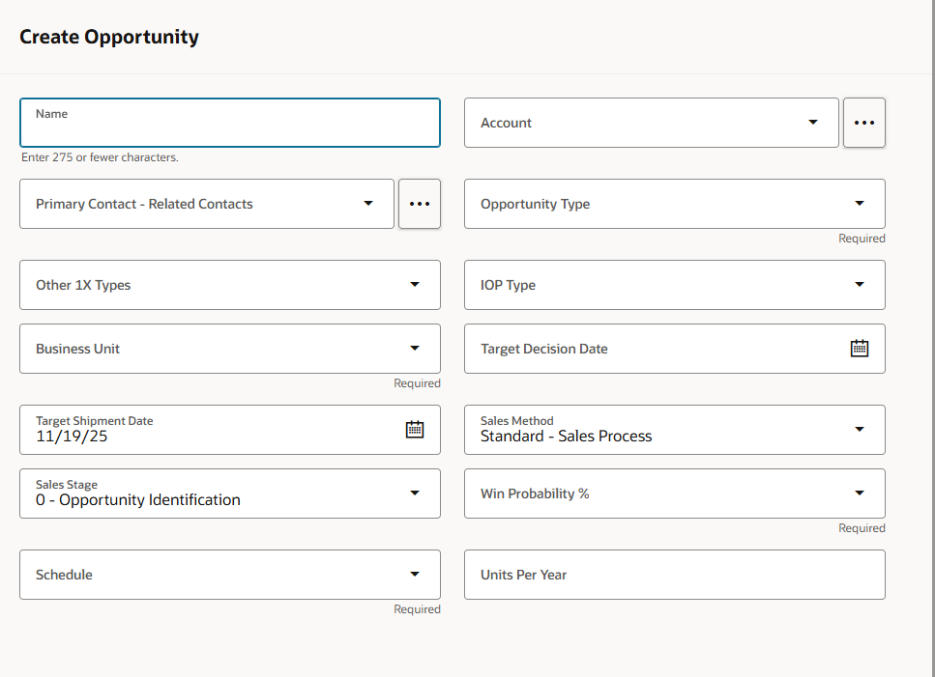

Create Appointment | Meeting Types:

Trigger Scripts
Service:

Service Request Trigger Scripts:

Message:

Sales (will need to convert manually if needed)

Account Trigger Scripts:

Opportunity Trigger Scripts:

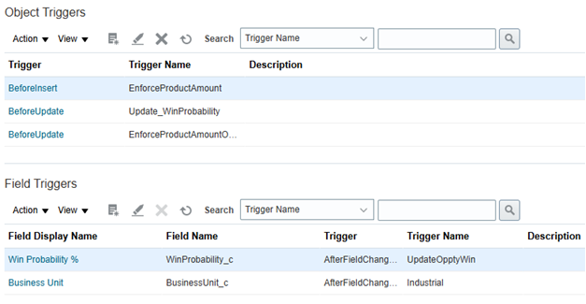

Activity Validation Rules:

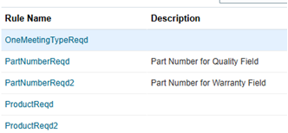

Relationship Trigger Scripts:

